Calcs
 | World - Method A |  |  |  |  |  | World - Method B |  |  |  | World - Method C
Year | Efficiency [kWh/100 mile tons] | Source/Method | Efficiency [kWh/100 mile tons] - Inverse index (2017) | Efficiency [-] | Source/Method | Efficiency (Holmberg) | miles/kWh | Source (miles/kWh) | miles/kWh (fitted: Paul) | Efficiency [-] | miles/kWh (fitted: Zeke)
1960 |  |  |  | 25.23% | Held constant at 1966 value |  |  |  | 1.64 | 53% | 34.05%
1961 |  |  |  | 25.23% | Held constant at 1966 value |  |  |  | 1.67 | 54% | 34.95%
1962 |  |  |  | 25.23% | Held constant at 1966 value |  |  |  | 1.69 | 55% | 35.86%
1963 |  |  |  | 25.23% | Held constant at 1966 value |  |  |  | 1.72 | 55% | 36.78%
1964 |  |  |  | 25.23% | Held constant at 1966 value |  |  |  | 1.75 | 56% | 37.71%
1965 |  |  |  | 25.23% | Held constant at 1966 value |  |  |  | 1.77 | 56% | 38.65%
1966 | 57.44 | Westbrook (2001) | 0.33 | 25.23% | Calculation | 40.13% | 1.79 | Westbrook (2001) | 1.80 | 57% | 39.59%
1967 | 56.65 | Linear interpolation | 0.33 | 25.57% | Calculation |  |  |  | 1.83 | 57% | 40.55%
1968 | 55.87 | Linear interpolation | 0.34 | 25.93% | Calculation |  |  |  | 1.85 | 58% | 41.51%
1969 | 55.09 | Linear interpolation | 0.34 | 26.30% | Calculation |  |  |  | 1.88 | 58% | 42.48%
1970 | 54.30 | Linear interpolation | 0.35 | 26.68% | Calculation |  |  |  | 1.91 | 58% | 43.45%
1971 | 53.52 | Linear interpolation | 0.35 | 27.07% | Calculation |  |  |  | 1.93 | 59% | 44.43%
1972 | 52.74 | Linear interpolation | 0.36 | 27.47% | Calculation |  |  |  | 1.96 | 59% | 45.42%
1973 | 51.95 | Linear interpolation | 0.36 | 27.89% | Calculation |  |  |  | 1.98 | 60% | 46.40%
1974 | 51.17 | Linear interpolation | 0.37 | 28.31% | Calculation |  |  |  | 2.01 | 60% | 47.39%
1975 | 50.39 | Linear interpolation | 0.37 | 28.75% | Calculation |  |  |  | 2.04 | 61% | 48.38%
1976 | 49.61 | Linear interpolation | 0.38 | 29.21% | Calculation |  |  |  | 2.06 | 61% | 49.38%
1977 | 48.82 | Linear interpolation | 0.39 | 29.68% | Calculation |  |  |  | 2.09 | 61% | 50.37%
1978 | 48.04 | Linear interpolation | 0.39 | 30.16% | Calculation |  |  |  | 2.12 | 62% | 51.36%
1979 | 47.26 | Linear interpolation | 0.40 | 30.66% | Calculation |  |  |  | 2.14 | 62% | 52.36%
1980 | 46.47 | Linear interpolation | 0.40 | 31.18% | Calculation |  |  |  | 2.17 | 63% | 53.35%
1981 | 45.69 | Linear interpolation | 0.41 | 31.71% | Calculation |  |  |  | 2.20 | 63% | 54.34%
1982 | 44.91 | Linear interpolation | 0.42 | 32.26% | Calculation |  |  |  | 2.22 | 63% | 55.32%
1983 | 44.12 | Linear interpolation | 0.43 | 32.84% | Calculation |  |  |  | 2.25 | 64% | 56.30%
1984 | 43.34 | Linear interpolation | 0.43 | 33.43% | Calculation |  |  |  | 2.28 | 64% | 57.28%
1985 | 42.56 | Linear interpolation | 0.44 | 34.04% | Calculation |  |  |  | 2.30 | 65% | 58.25%
1986 | 41.78 | Linear interpolation | 0.45 | 34.68% | Calculation |  |  |  | 2.33 | 65% | 59.21%
1987 | 40.99 | Linear interpolation | 0.46 | 35.34% | Calculation |  |  |  | 2.36 | 65% | 60.17%
1988 | 40.21 | Linear interpolation | 0.47 | 36.03% | Calculation |  |  |  | 2.38 | 66% | 61.11%
1989 | 39.43 | Linear interpolation | 0.48 | 36.75% | Calculation |  |  |  | 2.41 | 66% | 62.05%
1990 | 38.64 | Linear interpolation | 0.49 | 37.49% | Calculation |  |  |  | 2.44 | 66% | 62.99%
1991 | 37.86 | Linear interpolation | 0.50 | 38.27% | Calculation |  |  |  | 2.46 | 67% | 63.91%
1992 | 37.08 | Linear interpolation | 0.51 | 39.08% | Calculation |  |  |  | 2.49 | 67% | 64.82%
1993 | 36.29 | Linear interpolation | 0.52 | 39.92% | Calculation |  |  |  | 2.51 | 67% | 65.72%
1994 | 35.51 | Linear interpolation | 0.53 | 40.80% | Calculation |  |  |  | 2.54 | 68% | 66.61%
1995 | 34.73 | Linear interpolation | 0.54 | 41.72% | Calculation |  |  |  | 2.57 | 68% | 67.49%
1996 | 33.95 | Linear interpolation | 0.55 | 42.68% | Calculation |  |  |  | 2.59 | 68% | 68.35%
1997 | 33.16 | Linear interpolation | 0.57 | 43.69% | Calculation |  |  |  | 2.62 | 69% | 69.21%
1998 | 32.38 | Linear interpolation | 0.58 | 44.75% | Calculation |  |  |  | 2.65 | 69% | 70.05%
1999 | 31.60 | Linear interpolation | 0.60 | 45.86% | Calculation |  |  |  | 2.67 | 69% | 70.88%
2000 | 30.81 | Linear interpolation | 0.61 | 47.02% | Calculation |  |  |  | 2.70 | 70% | 71.69%
2001 | 30.03 | Linear interpolation | 0.63 | 48.25% | Calculation |  |  |  | 2.73 | 70% | 72.49%
2002 | 29.25 | Linear interpolation | 0.64 | 49.54% | Calculation |  |  |  | 2.75 | 70% | 73.27%
2003 | 28.46 | Linear interpolation | 0.66 | 50.90% | Calculation |  |  |  | 2.78 | 70% | 74.05%
2004 | 27.68 | Linear interpolation | 0.68 | 52.34% | Calculation |  |  |  | 2.81 | 71% | 74.80%
2005 | 26.90 | Linear interpolation | 0.70 | 53.87% | Calculation |  |  |  | 2.83 | 71% | 75.54%
2006 | 26.11 | Linear interpolation | 0.72 | 55.48% | Calculation |  |  |  | 2.86 | 71% | 76.27%
2007 | 25.33 | Linear interpolation | 0.74 | 57.20% | Calculation |  |  |  | 2.89 | 72% | 76.98%
2008 | 24.55 | EVSpecifications | 0.77 | 59.02% | Calculation |  |  |  | 2.91 | 72% | 77.68%
2009 | 23.73 | EVSpecifications | 0.79 | 61.06% | Calculation |  |  |  | 2.94 | 72% | 78.36%
2010 | 22.91 | EVSpecifications | 0.82 | 63.24% | Calculation |  |  |  | 2.97 | 72% | 79.03%
2011 | 22.09 | EVSpecifications | 0.85 | 65.58% | Calculation |  |  |  | 2.99 | 73% | 79.68%
2012 | 21.27 | EVSpecifications | 0.88 | 68.11% | Calculation |  |  |  | 3.02 | 73% | 80.32%
2013 | 20.45 | EVSpecifications | 0.92 | 70.83% | Calculation |  |  |  | 3.04 | 73% | 80.94%
2014 | 19.64 | EVSpecifications | 0.96 | 73.79% | Calculation |  |  |  | 3.07 | 73% | 81.54%
2015 | 18.82 | EVSpecifications | 1.00 | 77.00% | Calculation |  |  |  | 3.10 | 74% | 82.13%
2016 | 18.00 | EVSpecifications | 1.05 | 80.50% | Calculation |  |  |  | 3.12 | 74% | 82.71%
2017 | 17.18 | EVSpecifications | 1.10 | 84.34% | Calculation |  | 3.45 | Holmberg (2019) | 3.15 | 74% | 83.27%
2018 | 16.36 | EVSpecifications | 1.15 | 88.56% | Calculation |  |  |  | 3.18 | 74% | 83.82%
2019 | 15.54 | EVSpecifications | 1.21 | 88.56% | Held constant at 2018 value |  |  |  | 3.20 | 75% | 84.35%
2020 | 14.72 | EVSpecifications | 1.28 | 88.56% | Held constant at 2018 value |  |  |  | 3.23 | 75% | 84.87%
2021 | 13.90 | EVSpecifications | 1.35 | 88.56% | Held constant at 2018 value |  |  |  | 3.26 | 75% | 85.37%

Holmberg_2019
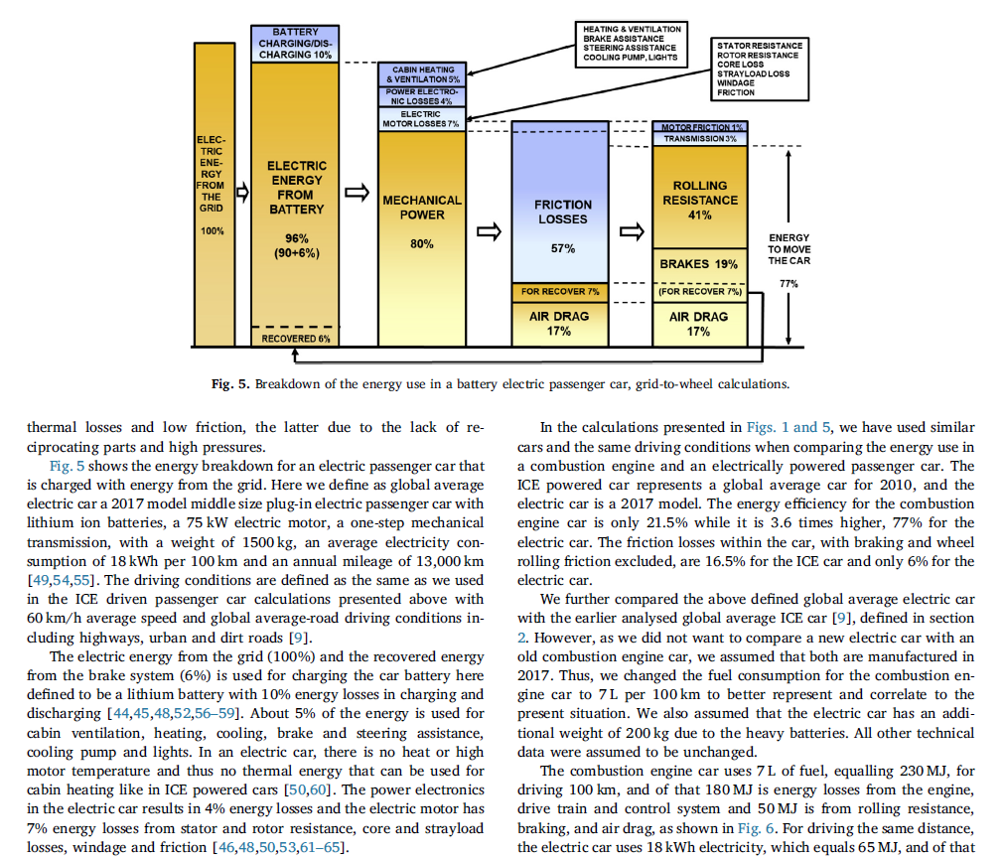
Holmberg & Erdemir (2019) - The impact of tribology on energy use and CO2 emission globally and in combustion engine and electric cars
https://doi.org/10.1016/j.triboint.2019.03.024

Year | Country | Machine | Efficiency [-] | Efficiency [kWh /100 km] | Efficiency [kWh /100 miles] | Mass [kg] | Mass [ton] | Efficiency [kWh / 100 ton miles] | miles/kWh
2017 | World | Global average electric car | 77.00% | 18.00 | 28.97 | 1500.00 | 1.50 | 19.31 | 3.45

Westbrook_2001
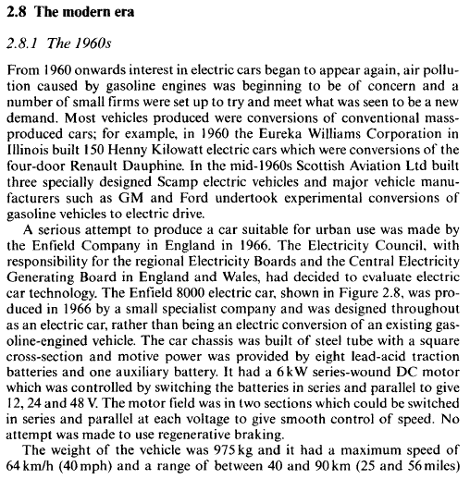
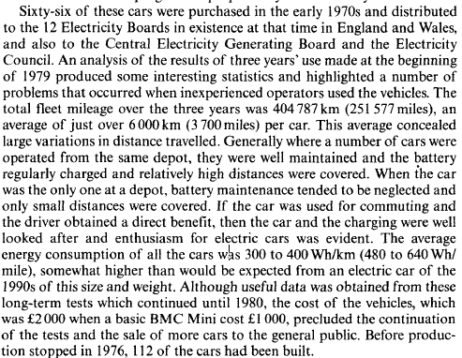
Westbrook (2001) - The Electric Car Development and Future of Battery, Hybrid and Fuel-Cell Cars
https://www.google.co.uk/books/edition/The_Electric_Car/6EfS0jRFQTkC?hl=en&gbpv=0

Year | Country | Machine | Efficiency [Wh/mile] | Efficiency [kWh/100 miles] | Mass [ton] | Efficiency [kWh/100 mile ton] | miles/kWh
1966 | GBR | Enfield 8000 Electric car | 560.00 | 56.00 | 0.975 | 57.44 | 1.79

EVSpecifications
EVSpecifications
https://www.evspecifications.com/ |  |  |  |  |  |  |  |  |  |  |  |  |  |  | y = 0.0265x - 50.3

Year | Car Name | Manufacturer | EV/Hybrid | Source/Link | Efficiency Type | Test Procedure | Efficiency [kWh/100 km] | Efficiency [kWh/100 mi] | Curb weight [kg] | Curb weight [ton] | Efficiency [kWh/100mi tons] | Mile/kWh | Year | Efficiency [kWh/100 mile tons] | miles/kWh
1966 |  |  |  |  |  |  |  |  |  |  |  | 1.79
2008 | Roadster 1.5 | Tesla | EV | https://www.evspecifications.com/en/model/0f3a60 | Highway | EPA |  | 28.00 | 1237.00 | 1.24 | 22.64 | 3.57 | 2008 | 24.55 | 2.91
2009 | Roadster Sport 2.0 | Tesla | EV | https://www.evspecifications.com/en/model/f00f62 | Highway | EPA |  | 33.00 | 1237.00 | 1.24 | 26.68 | 3.03 | 2009 | 23.73 | 2.94
2009 | Roadster 2.0 | Tesla | EV | https://www.evspecifications.com/en/model/54fb61 | Highway | EPA |  | 33.00 | 1237.00 | 1.24 | 26.68 | 3.03 | 2010 | 22.91 | 2.97
2010 | Roadster 2.5 | Tesla | EV | https://www.evspecifications.com/en/model/7cb763 | Highway | EPA |  | 33.00 | 1237.00 | 1.24 | 26.68 | 3.03 | 2011 | 22.09 | 2.99
2011 | Leaf SL | Nissan | EV | https://www.evspecifications.com/en/model/b1e92 | Combined | EPA |  | 34.00 | 1543.00 | 1.54 | 22.03 | 2.94 | 2012 | 21.27 | 3.02
2011 | Leaf SV | Nissan | EV | https://www.evspecifications.com/en/model/fe9f1 | Combined | EPA |  | 34.00 | 1521.00 | 1.52 | 22.35 | 2.94 | 2013 | 20.45 | 3.04
2012 | Model S Signature 85 RWD | Tesla | EV | https://www.evspecifications.com/en/model/54972b | Combined | EPA |  | 38.00 | 2100.00 | 2.10 | 18.10 | 2.63 | 2014 | 19.64 | 3.07
2012 | Leaf SL | Nissan | EV | https://www.evspecifications.com/en/model/96744 | Combined | EPA |  | 34.00 | 1543.00 | 1.54 | 22.03 | 2.94 | 2015 | 18.82 | 3.10
2013 | Model S Signature 85 RWD | Tesla | EV | https://www.evspecifications.com/en/model/532833 | Combined | EPA |  | 38.00 | 2100.00 | 2.10 | 18.10 | 2.63 | 2016 | 18.00 | 3.12
2013 | Model S Base 60 RWD | Tesla | EV | https://www.evspecifications.com/en/model/c24629 | Combined | EPA |  | 35.00 | 1999.00 | 2.00 | 17.51 | 2.86 | 2017 | 17.18 | 3.15
2013 | Model S Base 40 RWD | Tesla | EV | https://www.evspecifications.com/en/model/b2c427 | Combined | EPA |  | 36.00 | 1999.00 | 2.00 | 18.01 | 2.78 | 2018 | 16.36 | 3.18
2013 | Model S Performance P85 RWD | Tesla | EV | https://www.evspecifications.com/en/model/02e02c | Combined | EPA |  | 38.00 | 2108.00 | 2.11 | 18.03 | 2.63 | 2019 | 15.54 | 3.20
2013 | Model S Performance Plus P85+ | Tesla | EV | https://www.evspecifications.com/en/model/39a236 | Combined | EPA |  | 38.00 | 2108.00 | 2.11 | 18.03 | 2.63 | 2020 | 14.72 | 3.23
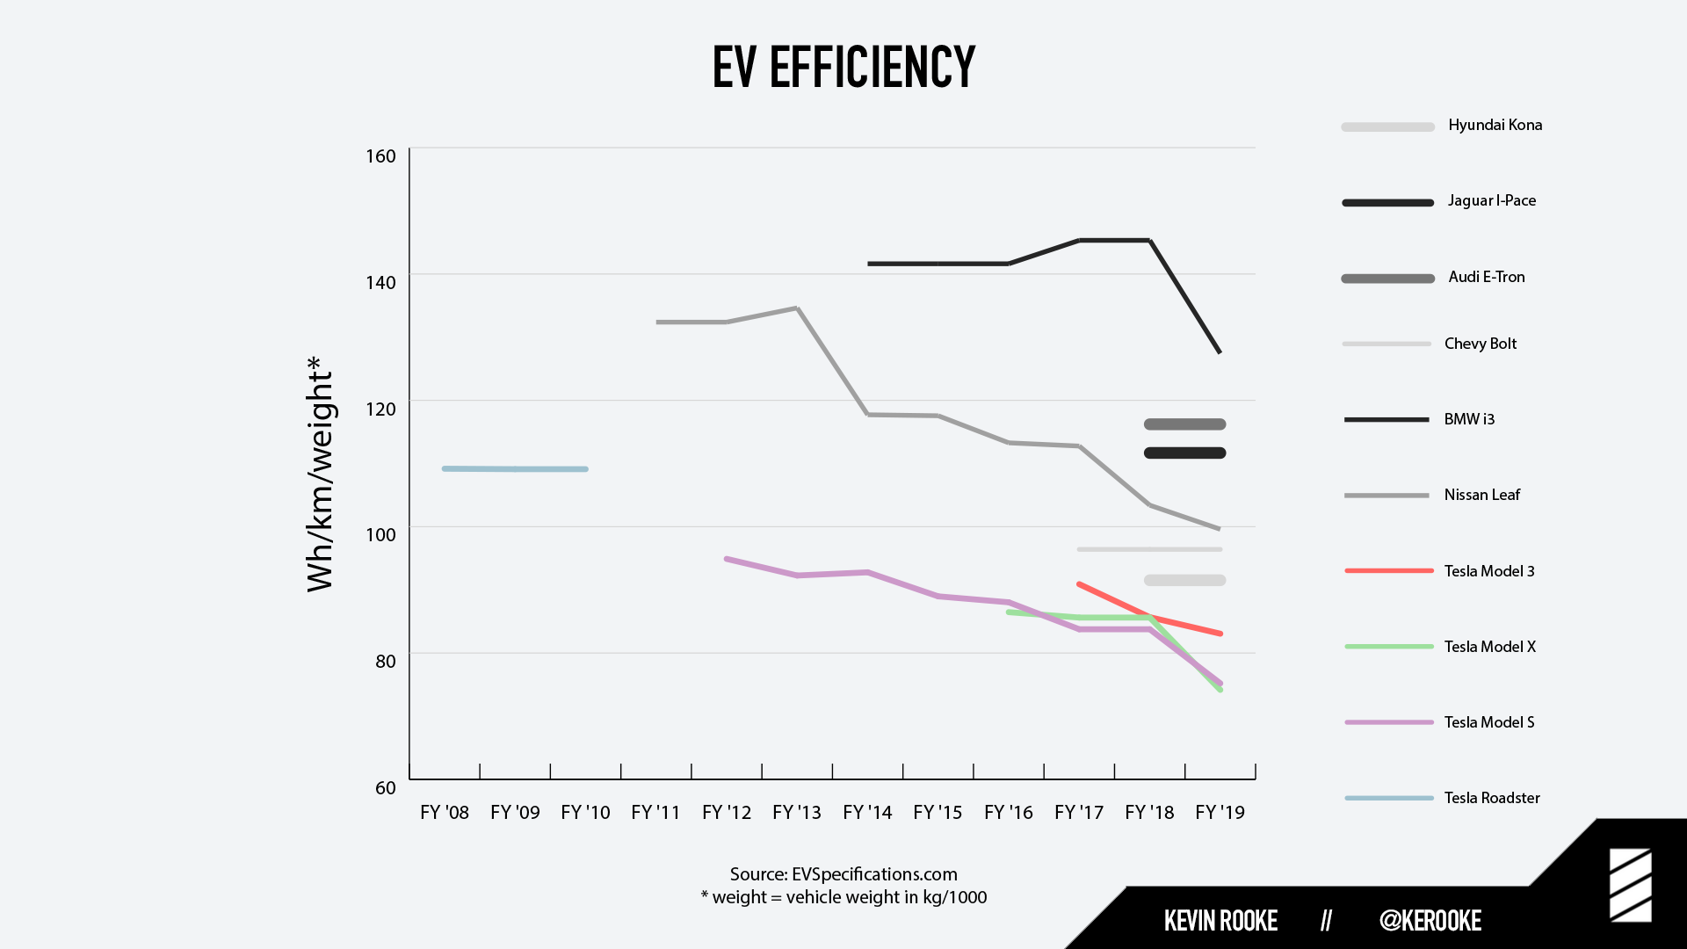
2013 | Leaf SV | Nissan | EV | https://www.evspecifications.com/en/model/135f6 | Highway | EPA |  | 34.00 | 1493.00 | 1.49 | 22.77 | 2.94 | 2021 | 13.90 | 3.26
2013 | Zoe Q210 | Renault | EV | https://www.evspecifications.com/en/model/332384 | Combined | NEDC | 14.60 | 23.50 | 1468.00 | 1.47 | 16.01 | 4.26
2013 | 500e | FIAT | EV | https://www.evspecifications.com/en/model/fa43d9 | Combined | EPA |  | 29.00 | 1355.00 | 1.36 | 21.40 | 3.45
2014 | Model S 85 | Tesla | EV | https://www.evspecifications.com/en/model/81ed2f | Combined | EPA |  | 38.00 | 2100.00 | 2.10 | 18.10 | 2.63
2014 | Model S P85+ | Tesla | EV | https://www.evspecifications.com/en/model/ceaf37 | Combined | EPA |  | 38.00 | 2108.00 | 2.11 | 18.03 | 2.63
2014 | Model S P85 | Tesla | EV | https://www.evspecifications.com/en/model/657d30 | Combined | EPA |  | 38.00 | 2108.00 | 2.11 | 18.03 | 2.63
2014 | Model S 60 | Tesla | EV | https://www.evspecifications.com/en/model/39812e | Combined | EPA |  | 35.00 | 1999.00 | 2.00 | 17.51 | 2.86
2014 | Model S P85D | Tesla | EV | https://www.evspecifications.com/en/model/750a31 | Combined | EPA |  | 38.00 | 2251.00 | 2.25 | 16.88 | 2.63
2014 | i3 22 kWh | BMW | EV | https://www.evspecifications.com/en/model/45207c | Highway | EPA |  | 30.00 | 1195.00 | 1.20 | 25.10 | 3.33
2014 | Spark EV | Chevrolet | EV | https://www.evspecifications.com/en/model/72e5af | Combined | EPA |  | 28.00 | 1346.00 | 1.35 | 20.80 | 3.57
2014 | Leaf SV | Nissan | EV | https://www.evspecifications.com/en/model/ad359 | Highway | EPA |  | 34.00 | 1486.00 | 1.49 | 22.88 | 2.94
2015 | Model S 85 | Tesla | EV | https://www.evspecifications.com/en/model/b0593b | Combined | EPA |  | 38.00 | 2100.00 | 2.10 | 18.10 | 2.63
2015 | Model S P90D | Tesla | EV | https://www.evspecifications.com/en/model/a98c41 | Combined | EPA |  | 36.00 | 2251.00 | 2.25 | 15.99 | 2.78
2015 | Model S 60 | Tesla | EV | https://www.evspecifications.com/en/model/95aa34 | Combined | EPA |  | 35.00 | 1999.00 | 2.00 | 17.51 | 2.86
2015 | Model S 70 | Tesla | EV | https://www.evspecifications.com/en/model/695f38 | Combined | EPA |  | 38.00 | 2066.00 | 2.07 | 18.39 | 2.63
2015 | Model S P85D 165kW+350kW | Tesla | EV | https://www.evspecifications.com/en/model/69c83e | Combined | EPA |  | 36.00 | 2251.00 | 2.25 | 15.99 | 2.78
2015 | i3 22 kWh | BMW | EV | https://www.evspecifications.com/en/model/f7d27d | Highway | EPA |  | 30.00 | 1195.00 | 1.20 | 25.10 | 3.33
2015 | Spark EV | Chevrolet | EV | https://www.evspecifications.com/en/model/1e5eb0 | Combined | EPA |  | 28.00 | 1300.00 | 1.30 | 21.54 | 3.57
2015 | Soul EV | KIA | EV | https://www.evspecifications.com/en/model/f45094 | Combined | EPA |  | 32.00 | 1492.00 | 1.49 | 21.45 | 3.13
2016 | Model S 75 | Tesla | EV | https://www.evspecifications.com/en/model/b6a44b | Combined | EPA |  | 34.00 | 2027.00 | 2.03 | 16.77 | 2.94
2016 | Model S 60D | Tesla | EV | https://www.evspecifications.com/en/model/daea4e | Combined | EPA |  | 32.00 | 2027.00 | 2.03 | 15.79 | 3.13
2016 | Model S P90DL Ludicrous | Tesla | EV | https://www.evspecifications.com/en/model/2f7248 | Combined | EPA |  | 35.00 | 2251.00 | 2.25 | 15.55 | 2.86
2016 | Model S 90D | Tesla | EV | https://www.evspecifications.com/en/model/f20f46 | Combined | EPA |  | 33.00 | 2199.00 | 2.20 | 15.01 | 3.03
2016 | Model X 60D | Tesla | EV | https://www.evspecifications.com/en/model/04ed1a | - | EPA |  | 36.00 | 2352.00 | 2.35 | 15.31 | 2.78
2016 | Model X 90D | Tesla | EV | https://www.evspecifications.com/en/model/c61f20 | Highway | EPA |  | 32.00 | 2389.00 | 2.39 | 13.39 | 3.13
2016 | i3 22 kWh | BMW | EV | https://www.evspecifications.com/en/model/02757e | Highway | EPA |  | 30.00 | 1195.00 | 1.20 | 25.10 | 3.33
2016 | Spark EV | Chevrolet | EV | https://www.evspecifications.com/en/model/89aeb1 | Combined | EPA |  | 28.00 | 1300.00 | 1.30 | 21.54 | 3.57
2016 | 500e | FIAT | EV | https://www.evspecifications.com/en/model/ad72da | Combined | EPA |  | 30.00 | 1355.00 | 1.36 | 22.14 | 3.33
2017 | Model 3 Long Range | Tesla | EV | https://www.evspecifications.com/en/model/e16258 | - | EPA |  | 27.00 | 1753.00 | 1.75 | 15.40 | 3.70
2017 | Model S P100D | Tesla | EV | https://www.evspecifications.com/en/model/7fb453 | Combined | EPA |  | 35.00 | 2241.00 | 2.24 | 15.62 | 2.86
2017 | Model S 75D | Tesla | EV | https://www.evspecifications.com/en/model/84c851 | Combined | EPA |  | 33.00 | 2027.00 | 2.03 | 16.28 | 3.03
2017 | Model S 60 RWD Gen 2 | Tesla | EV | https://www.evspecifications.com/en/model/ffff50 | Combined | EPA |  | 34.00 | 2027.00 | 2.03 | 16.77 | 2.94
2017 | Model X 90D | Tesla | EV | https://www.evspecifications.com/en/model/ea9e1c | Highway | EPA |  | 32.00 | 2389.00 | 2.39 | 13.39 | 3.13
2017 | Model X P100D | Tesla | EV | https://www.evspecifications.com/en/model/b86423 | Combined | EPA |  | 39.00 | 2487.00 | 2.49 | 15.68 | 2.56
2017 | i3 33 kWh | BMW | EV | https://www.evspecifications.com/en/model/d1d77f | Combined | EPA |  | 29.00 | 1245.00 | 1.25 | 23.29 | 3.45
2017 | Bolt EV | Chevrolet | EV | https://www.evspecifications.com/en/model/50ab8e | Combined | EPA |  | 28.00 | 1625.00 | 1.63 | 17.23 | 3.57
2017 | Soul EV | KIA | EV | https://www.evspecifications.com/en/model/abf79d | Combined | EPA |  | 32.00 | 1492.00 | 1.49 | 21.45 | 3.13
2018 | Model X 75D | Tesla | EV | https://www.evspecifications.com/en/model/6c051b | - | EPA |  | 36.00 | 2352.00 | 2.35 | 15.31 | 2.78
2018 | Model S P100D | Tesla | EV | https://www.evspecifications.com/en/model/399355 | Combined | EPA |  | 35.00 | 2241.00 | 2.24 | 15.62 | 2.86
2018 | Model 3 Long Range | Tesla | EV | https://www.evspecifications.com/en/model/06625a | - | EPA |  | 29.00 | 1847.00 | 1.85 | 15.70 | 3.45
2018 | Model 3 Mid Range | Tesla | EV | https://www.evspecifications.com/en/model/5f725c | - | EPA |  | 27.00 | 1672.00 | 1.67 | 16.15 | 3.70
2018 | Model X P100D | Tesla | EV | https://www.evspecifications.com/en/model/3fad26 | Combined | EPA |  | 40.00 | 2487.00 | 2.49 | 16.08 | 2.50
2018 | i3s 33 kWh | BMW | EV | https://www.evspecifications.com/en/model/aa4f81 | Combined | EPA |  | 30.00 | 1265.00 | 1.27 | 23.72 | 3.33
2018 | i3 33 kWh | BMW | EV | https://www.evspecifications.com/en/model/1a2980 | Combined | EPA |  | 29.00 | 1245.00 | 1.25 | 23.29 | 3.45
2018 | Bolt EV | Chevrolet | EV | https://www.evspecifications.com/en/model/d46c8f | Combined | EPA |  | 28.00 | 1625.00 | 1.63 | 17.23 | 3.57
2018 | ES8 70 kWh | NIO | EV | https://www.evspecifications.com/en/model/81eba9 | Combined | NEDC | 20.00 | 32.19 | 2460.00 | 2.46 | 8.13 | 3.11
2018 | Soul EV | KIA | EV | https://www.evspecifications.com/en/model/9c4e9e | Combined | EPA |  | 31.00 | 1506.00 | 1.51 | 20.58 | 3.23
2019 | Model X Performance (SR) | Tesla | EV | https://www.evspecifications.com/en/model/befbc2 | Combined | EPA |  | 43.00 | 2604.00 | 2.60 | 16.51 | 2.33
2019 | Model S Long Range (SR) | Tesla | EV | https://www.evspecifications.com/en/model/89e4a4 | Combined | EPA |  | 30.00 | 2215.00 | 2.22 | 13.54 | 3.33
2019 | Model 3 Long Range AWD | Tesla | EV | https://www.evspecifications.com/en/model/6d235e | Combined | EPA |  | 29.00 | 1847.00 | 1.85 | 15.70 | 3.45
2019 | Model X Long Range (AC) | Tesla | EV | https://www.evspecifications.com/en/model/78b865 | Combined | EPA |  | 39.00 | 2459.00 | 2.46 | 15.86 | 2.56
2019 | Model 3 Standard Range | Tesla | EV | https://www.evspecifications.com/en/model/bc5896 | Combined | EPA |  | 26.00 | 1611.00 | 1.61 | 16.14 | 3.85
2019 | e-tron 55 quattro Premium Plus | Audi | EV | https://www.evspecifications.com/en/model/b59c68 | Combined | WLPT | 26.20 | 42.16 | 2490.00 | 2.49 | 10.52 | 2.37
2019 | e-tron 55 quattro | Audi | EV | https://www.evspecifications.com/en/model/fff46a | Combined | WLTP | 26.10 | 42.00 | 2490.00 | 2.49 | 10.48 | 2.38
2019 | i3s 42 kWh | BMW | EV | https://www.evspecifications.com/en/model/207983 | Combined | EPA |  | 30.00 | 1290.00 | 1.29 | 23.26 | 3.33
EV cars
2019 | i3 42 kWh | BMW | EV | https://www.evspecifications.com/en/model/cd6382 | Combined | EPA |  | 30.00 | 1345.00 | 1.35 | 22.30 | 3.33
2019 | Bolt EV | Chevrolet | EV | https://www.evspecifications.com/en/model/0545d6 | Combined | EPA |  | 29.00 | 1616.00 | 1.62 | 17.95 | 3.45
2019 | Life 60 | e.GO | EV | https://www.evspecifications.com/en/model/16f9a7 | Combined | WLTP | 16.20 | 26.07 | 1210.00 | 1.21 | 13.39 | 3.84
2019 | Life 20 | e.GO | EV | https://www.evspecifications.com/en/model/dbcba5 | Combined | WLTP | 14.50 | 23.34 | 1150.00 | 1.15 | 12.61 | 4.29
2020 | Model S Performance(PSMR) | Tesla | EV | https://www.evspecifications.com/en/model/7700e2 | Combined | EPA |  | 35.00 | 2241.00 | 2.24 | 15.62 | 2.86
2020 | Model 3 Standard Range Plus | Tesla | EV | https://www.evspecifications.com/en/model/cc48e0 | Combined | EPA |  | 24.00 | 1611.00 | 1.61 | 14.90 | 4.17
2020 | Model 3 Long Range AWD | Tesla | EV | https://www.evspecifications.com/en/model/0a86df | Combined | EPA |  | 28.00 | 1847.00 | 1.85 | 15.16 | 3.57
2020 | Model S Long Range Plus (PMSR) | Tesla | EV | https://www.evspecifications.com/en/model/6178e1 | Combined | EPA |  | 29.00 | 2215.00 | 2.22 | 13.09 | 3.45
2020 | Model X Performance (PMSR) | Tesla | EV | https://www.evspecifications.com/en/model/2d24e4 | Combined | EPA |  | 43.00 | 2604.00 | 2.60 | 16.51 | 2.33
2020 | e-tron Sportback 50 quattro | Audi | EV | https://www.evspecifications.com/en/model/36fdf2 | Combined | WLTP | 21.60 | 34.76 | 2370.00 | 2.37 | 9.11 | 2.88
2020 | e-tron 55 quattro | Audi | EV | https://www.evspecifications.com/en/model/bad6f3 | Combined | WLTP | 22.40 | 36.05 | 2490.00 | 2.49 | 9.00 | 2.77
2020 | Taycan 4S Plus | Porsche | EV | https://www.evspecifications.com/en/model/0047cd | Combined | WLTP | 26.20 | 42.16 | 2220.00 | 2.22 | 11.80 | 2.37
2020 | i3s Edition RoadStyle 42 kWh | BMW | EV | https://www.evspecifications.com/en/model/dcc6cf | Combined | WLTP | 14.60 | 23.50 | 1379.00 | 1.38 | 10.59 | 4.26
2020 | Bolt EV | Chevrolet | EV | https://www.evspecifications.com/en/model/0545d6 | Combined | EPA |  | 29.00 | 1616.00 | 1.62 | 17.95 | 3.45
2020 | KONA Electric Premium 39 kWh | Hyundai | EV | https://www.evspecifications.com/en/model/6345120 | Combined | WLTP | 14.30 | 23.01 | 1535.00 | 1.54 | 9.32 | 4.35
2020 | I-Pace S EV400 AWD Automatic | Jaguar | EV | https://www.evspecifications.com/en/model/913dfd | Combined | EPA |  | 44.00 | 2170.00 | 2.17 | 20.28 | 2.27
2021 | Model 3 Performance AWD | Tesla | EV | https://www.evspecifications.com/en/model/1af7111 | Combined | EPA |  | 30.00 | 1860.00 | 1.86 | 16.13 | 3.33
2021 | Model Y Long Range AWD | Tesla | EV | https://www.evspecifications.com/en/model/a8dc10d | Combined | EPA |  | 27.00 | 2003.00 | 2.00 | 13.48 | 3.70
2021 | Model X Performance | Tesla | EV | https://www.evspecifications.com/en/model/7aaf10c | Combined | EPA |  | 35.00 | 2604.00 | 2.60 | 13.44 | 2.86
2021 | Model S Performance | Tesla | EV | https://www.evspecifications.com/en/model/3f07109 | Combined | EPA |  | 35.00 | 2241.00 | 2.24 | 15.62 | 2.86
2021 | Model S Long Range Plus | Tesla | EV | https://www.evspecifications.com/en/model/37c6108 | Combined | EPA |  | 29.00 | 2215.00 | 2.22 | 13.09 | 3.45
2021 | Bolt EV Premier | Chevrolet | EV | https://www.evspecifications.com/en/model/97d7138 | Combined | EPA |  | 29.00 | 1616.00 | 1.62 | 17.95 | 3.45 |  |  |  | fuel economy miles/kWh (Uk Gallon) | x | 0 | 0.25 | 0.5 | 0.75 | 1 | 1.25 | 1.5 | 1.75 | 2 | 2.25 | 2.5 | 2.75 | 3 | 3.25 | 3.5 | 3.75 | 4 | 4.25 | 4.5 | 4.75 | 5 | 5.25 | 5.5 | 5.75 | 6 | 6.25 | 6.5 | 6.75 | 7 | 7.25 | 7.5 | 7.75 | 8 | 8.25 | 8.5 | 8.75 | 9 | 9.25 | 9.5 | 9.75 | 10
2021 | Bolt EV LT | Chevrolet | EV | https://www.evspecifications.com/en/model/e9ae137 | Combined | EPA |  | 29.00 | 1616.00 | 1.62 | 17.95 | 3.45 |  |  |  | EV exergy efficiency, y = 90(1-e^-0.55x) | y1 | 0.0% | 11.6% | 21.6% | 30.4% | 38.1% | 44.7% | 50.6% | 55.6% | 60.0% | 63.9% | 67.2% | 70.2% | 72.7% | 74.9% | 76.9% | 78.6% | 80.0% | 81.3% | 82.4% | 83.4% | 84.2% | 85.0% | 85.6% | 86.2% | 86.7% | 87.1% | 87.5% | 87.8% | 88.1% | 88.3% | 88.5% | 88.7% | 88.9% | 89.0% | 89.2% | 89.3% | 89.4% | 89.4% | 89.5% | 89.6% | 89.6%
2021 | KONA Electric Premium 39 kWh | Hyundai | EV | https://www.evspecifications.com/en/model/98a613b | Combined | WLTP | 14.30 | 23.01 | 1535.00 | 1.54 | 9.32 | 4.35
2022 | iX xDrive50 | BMW | EV | https://www.evspecifications.com/en/model/9d2b144 | Combined | WLTP | 23.00 | 37.01 | 2440.00 | 2.44 | 9.43 | 2.70
2022 | i4 M50 | BMW | EV | https://www.evspecifications.com/en/model/df90142 | Combined | WLTP | 24.00 | 38.62 | 2290.00 | 2.29 | 10.48 | 2.59
2022 | i4 eDrive40 | BMW | EV | https://www.evspecifications.com/en/model/cdb7141 | Combined | WLTP | 20.00 | 32.19 | 2125.00 | 2.13 | 9.41 | 3.11
2022 | iX xDrive40 | BMW | EV | https://www.evspecifications.com/en/model/4759143 | Combined | WLTP | 22.50 | 36.21 | 2440.00 | 2.44 | 9.22 | 2.76
2022 | Bolt EV Launch Edition | Chevrolet | EV | https://www.evspecifications.com/en/model/a07f133 | Combined | EPA |  | 29.00 | 1628.00 | 1.63 | 17.81 | 3.45
2022 | Bolt EV 2T | Chevrolet | EV | https://www.evspecifications.com/en/model/891a132 | Combined | EPA |  | 29.00 | 1628.00 | 1.63 | 17.81 | 3.45
2022 | Bolt EV 1T | Chevrolet | EV | https://www.evspecifications.com/en/model/f420131 | Combined | EPA |  | 29.00 | 1628.00 | 1.63 | 17.81 | 3.45

Bharathan_2017
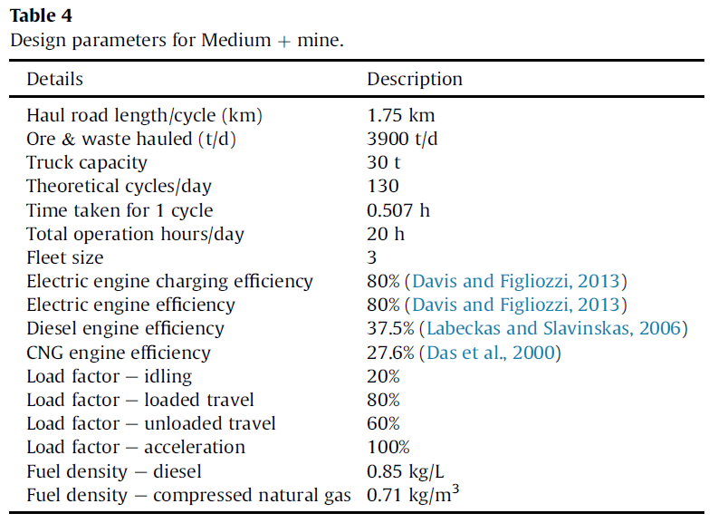
Bharathan et al (2017) - Analysis of energy consumption and carbon footprint from underground haulage with different power sources in typical Canadian mines
https://doi.org/10.1016/j.jclepro.2017.07.233

